Financial Incentive
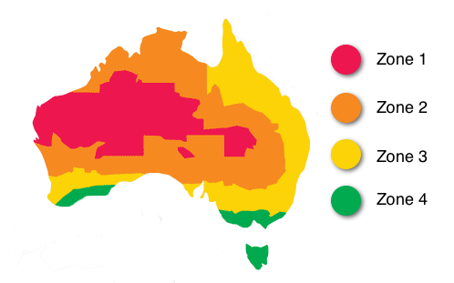
1) The amount of solar panel ‘rebate’ you can claim depends on where you live:

The lower the number the more subsidy cash you get!
Here are some examples for the approximate STC value for a 6.6kW solar system based on a $39 STC price:
Zone 1: | incentive = $4,563
Zone 2: incentive = $4,118 | incentive = $4,118
Zone 3: incentive = $3,861 | incentive = $3,861
Zone 4: incentive = $3,354 | incentive = $3,354

